Advertising Analysis
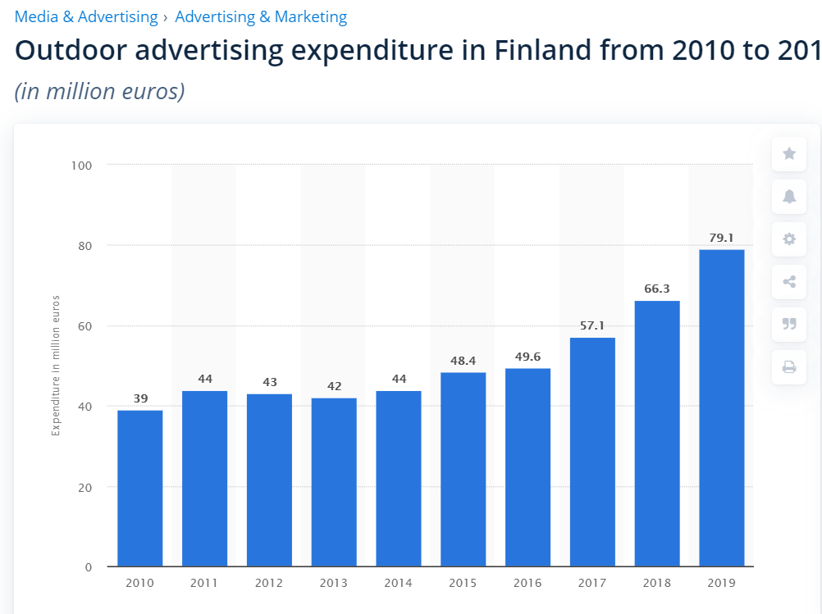
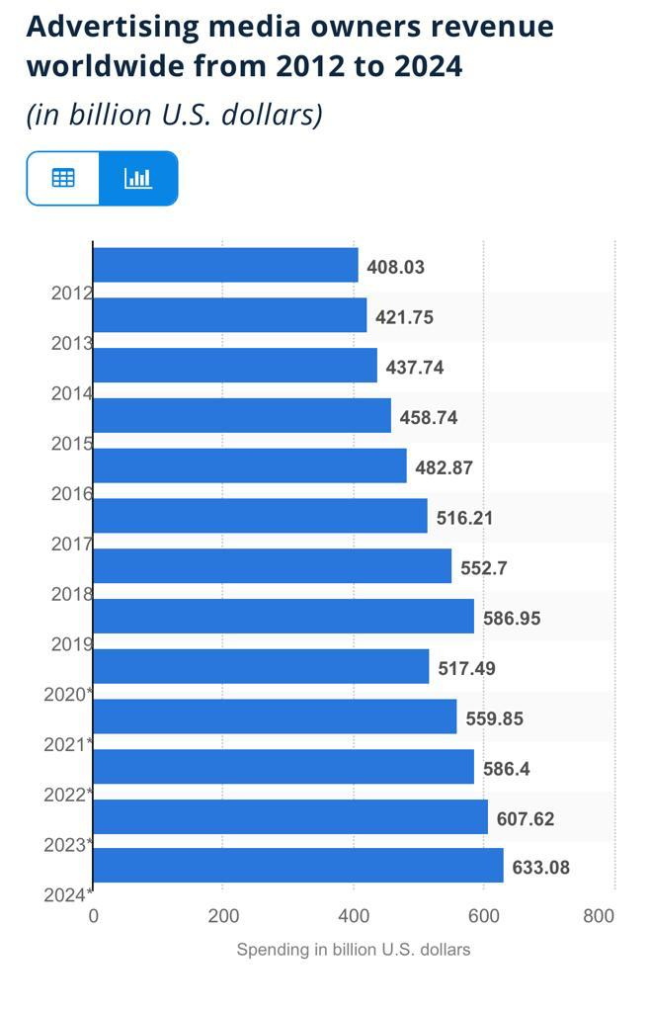

 | Revenues | Growth |  | Revenues | Growth
2010 | 39 |  | 2012 | 408.03
2011 | 44 | 12.82% | 2013 | 421.75 | 3.36%
2012 | 43 | -2.27% | 2014 | 437.74 | 3.79%
2013 | 42 | -2.33% | 2015 | 458.74 | 4.80%
2014 | 44 | 4.76% | 2016 | 482.87 | 5.26%
2015 | 48.4 | 10.00% | 2017 | 516.21 | 6.90%
2016 | 49.6 | 2.48% | 2018 | 552.7 | 7.07%
2017 | 57.1 | 15.12% | 2019 | 586.95 | 6.20%
2018 | 66.3 | 16.11% | 2020 | 517.49 | -11.83%
2019 | 79.1 | 19.31% | 2021 | 559.85 | 8.19%
 |  | 8.44% |  |  | 3.75%
 | 2.028205128 |  |  | 1.438497169
 | 102.82% |  |  | 43.85%

